Sheet1
algorithm | Plot | Cost | Run Time | algorithm | Plot | Cost | Run Time | algorithm | Plot | Cost | Run Time
Dijkstra | 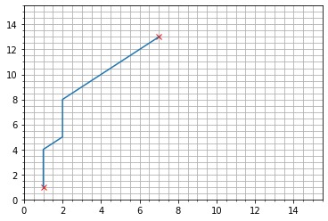 | 14.485281374 | 0.0099997520447 | Dijkstra | 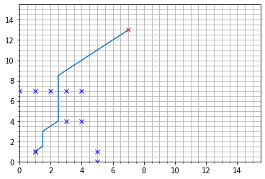 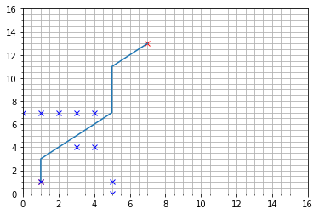 | 14.485281374 | 0.014998912811 | Dijkstra | 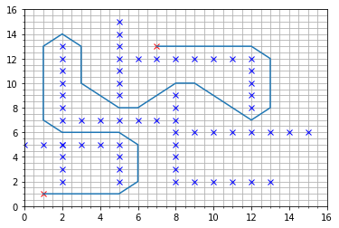 | 49.798989873 | 0.014001369476
A_Star | 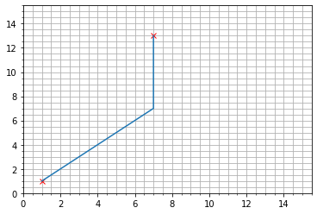 | 14.485281374 | 0.0069961547852 | A_Star | 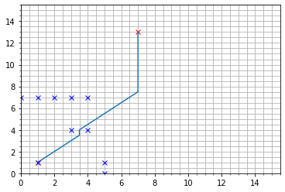 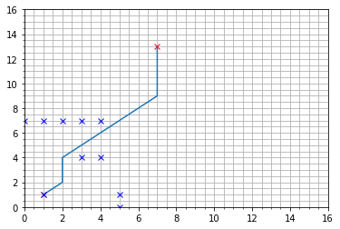 | 14.485281374 | 0.0079741477966 | A_Star | 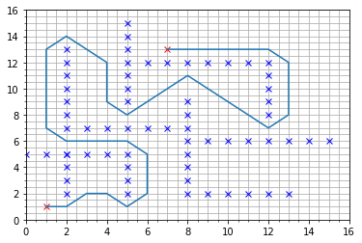 | 51.455844123 | 0.013995409012
RRT | 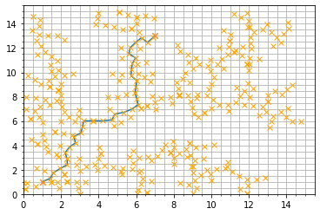 | 16.66681427 | 0.11024999619 | RRT | 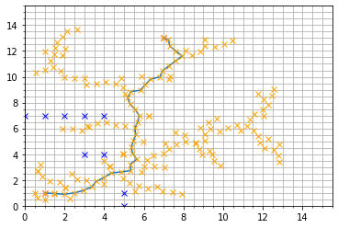 | 17.272586631 | 0.059197187424 | RRT | 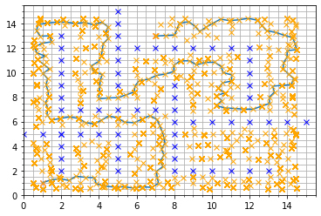 | 72.029780983 | 171.11135936

